Sheet1
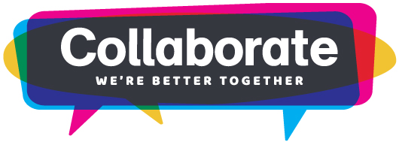
MFOA 2018 Annual Conference Expense Worksheet
Attendee: | Enter Your Name Here

Expense | Information | Cost
Registration | Register early to get the early bird rate discount.
Transportation (flight, bus, taxi) | Use the Internet to get an estimate. Be sure to account for transportation both ways.
Mileage reimbursement | Are you driving to the conference? Or do you need to take your vehicle to the airport?
Lodging | Use our official hotel block to get reduced room rates.
Parking | Do you need to park your car while you are at the conference? Contact your hotel for parking information.
Meals | Your registration package will cover all or some of your meals. Estimate how much you will spend on your other meals.
Miscellaneous | Are there any other expenses associated with attending the conference?

 | Total | $0.00

